Sheet3
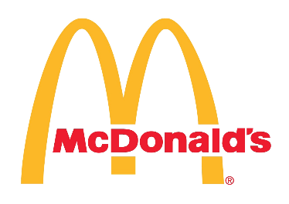 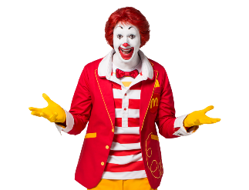 McDonald's Store Performance Dashboard

Total Sales (INR) |  | Total Orders |  | Avg of McCafe_Sales (%) | Avg Loyalty_Members (%) | Avg. Profit Margin (%) | Avg DeliveryvsDineIn (%)
22.47
₹ 451,176,984.00
1804460
34.94
18.00
34.94

Top 3 Cities by Total Revenue
 | Total
Mumbai | ₹ 36,682,437.00
Nagpur | ₹ 37,133,762.00
Pune | ₹ 38,282,771.00
Top 3 Cities by Total Orders
 | Total
Mumbai | 149770
Nagpur | 146765
Pune | 146957
Top 5 Categories by Toatal Orders
Burgers with Millet Bun | 210834
Desserts | 201101
Group Sharing Combos | 202639
McSaver Combos | 215301
Wraps | 206023

 | 12 PM - 3 PM | 6 PM - 9 PM
Kolhapur | ₹12,633,406 | ₹13,243,370
Mumbai | ₹18,007,600 | ₹18,674,837
Nagpur | ₹18,500,382 | ₹18,633,380
Navi Mumbai | ₹12,722,825 | ₹13,417,622
Pune | ₹18,915,322 | ₹19,367,449
Avg. Coupons Redeemed
 | Total
McDonald's Jalgaon | 78.38
McDonald's Junnar | 80.37
McDonald's Mumbai | 76.75
McDonald's Nagpur | 79.53
McDonald's Navi Mumbai | 78.56
McDonald's Pune | 81.04
McDonald's Sambhajinagar | 80.09
McDonald's Satara | 78.50
McDonald's Tardeo | 80.92
McDonald's Tuljapur | 77.96

Total Order Count by Order Mode
 | Parcel | Store | Swiggy | Zomato
Ahilyanagar | 25287 | 23192 | 20866 | 26691
Jalgaon | 19710 | 26233 | 23104 | 30091
Junnar | 23778 | 26019 | 21966 | 23931
Kolhapur | 27675 | 29525 | 24643 | 22158
Mumbai | 35110 | 38005 | 38634 | 38021
Nagpur | 38943 | 38225 | 31863 | 37734
Nashik | 28266 | 24532 | 26975 | 23000
Navi Mumbai | 26969 | 22779 | 26743 | 27659
Pune | 35375 | 37112 | 39299 | 35171
Satara | 21581 | 23332 | 24874 | 28860
Dilever Orders |  |  | Dive-In Orders

Parcel 444006 | Swiggy 446400 | Zomato 463888 | Store 450166
Order Count by Order-Type
 | Total
Parcel | 444006
Store | 450166
Swiggy | 446400
Zomato | 463888
Delivery vs Dive-IN
Delivery | 1354294
Dive-in | 450166

Best Selling Items Revenue by Peak Hour
 | 12 PM - 3 PM | 6 PM - 9 PM
Aloo Tikki Burger | 19183 | 21541
Big Spicy Chicken Wrap | 54171 | 49020
Big Spicy Paneer Wrap | 58683 | 44149
Black Forest McFlurry Medium | 13813 | 13011
Chicken Burger | 20694 | 19801
Chicken Surprise Burger | 20127 | 23055
Chicken Surprise Burger + Cappuccino | 14431 | 13347
Chocolate Overload McFlurry with Oreo Medium | 13139 | 14269
Paneer Burger | 22556 | 20655
Veggie Burger | 21688 | 21534

Top 5 Cities - Profit-Margin(%)
 | Total
Jalgaon | 18.20
Lonavala | 18.16
Nashik | 18.23
Navi Mumbai | 18.33
Sambhajinagar | 18.20

